pastehere
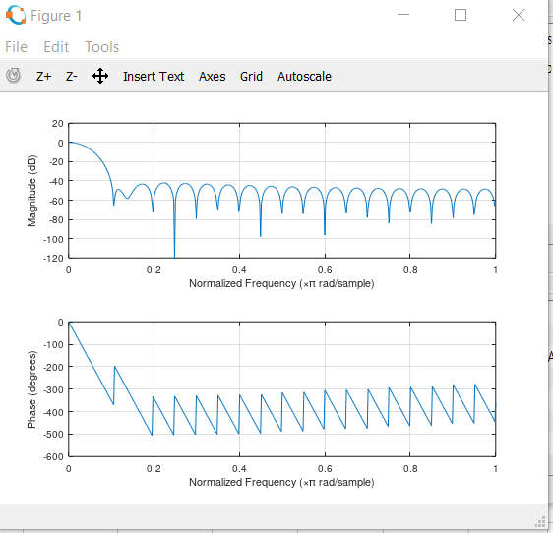
paste here the result of fir1(39, 0.001) from octave
0 | 1 | 2 | 3 | 4 | 5 | 6 | 7 | 8 | 9 | 10 | 11 | 12 | 13 | 14 | 15 | 16 | 17 | 18 | 19 | 20 | 21 | 22 | 23 | 24 | 25 | 26 | 27 | 28 | 29 | 30 | 31 | 32 | 33 | 34 | 35 | 36 | 37 | 38 | 39
0.0037843 | 0.0040661 | 0.0049041 | 0.0062767 | 0.0081484 | 0.010471 | 0.013183 | 0.016216 | 0.01949 | 0.022921 | 0.02642 | 0.029896 | 0.03326 | 0.036424 | 0.039306 | 0.041831 | 0.043935 | 0.045562 | 0.046671 | 0.047233 | 0.047233 | 0.046671 | 0.045562 | 0.043935 | 0.041831 | 0.039306 | 0.036424 | 0.03326 | 0.029896 | 0.02642 | 0.022921 | 0.01949 | 0.016216 | 0.013183 | 0.010471 | 0.0081484 | 0.0062767 | 0.0049041 | 0.0040661 | 0.0037843

Sheet3
FAST DETECTOR | FAST DETECTOR
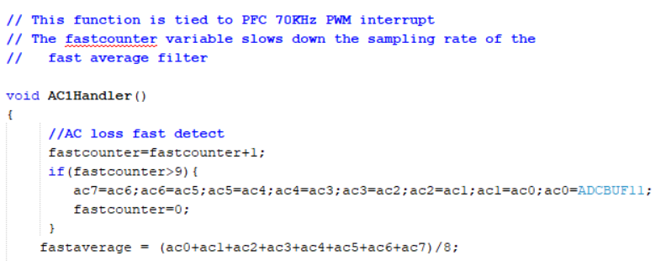
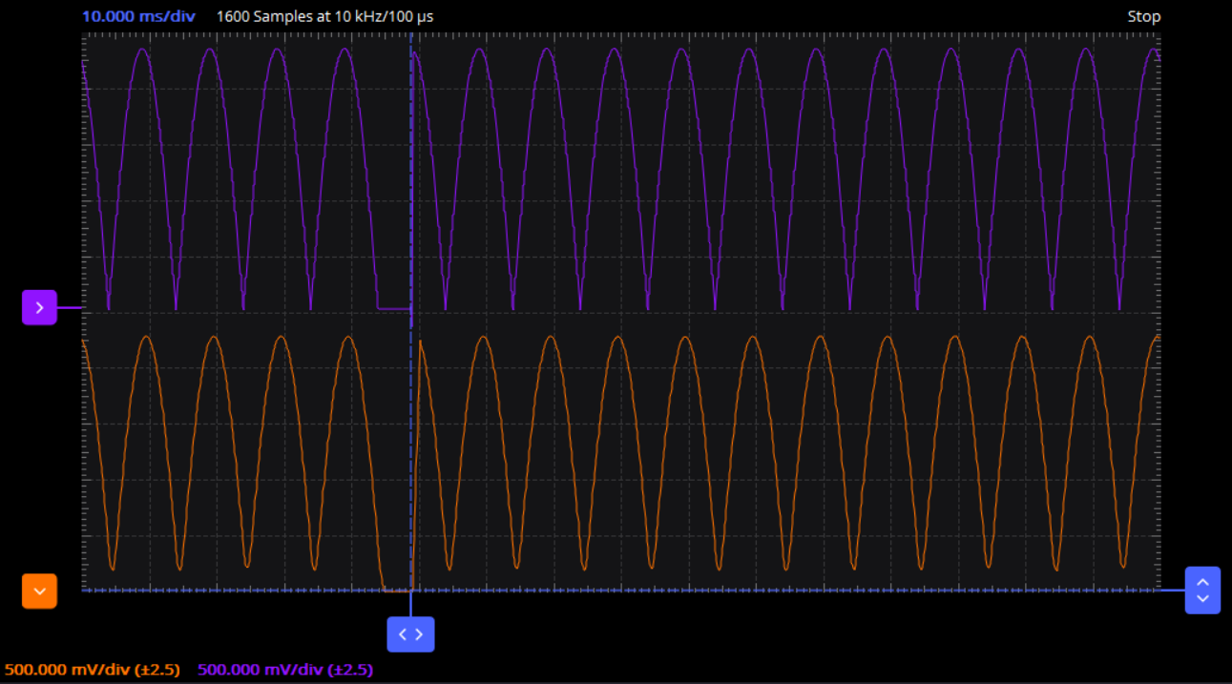

INPUT

FAST AVERAGE

Detects sudden loss of AC

RMS DETECTOR | RMS DETECTOR
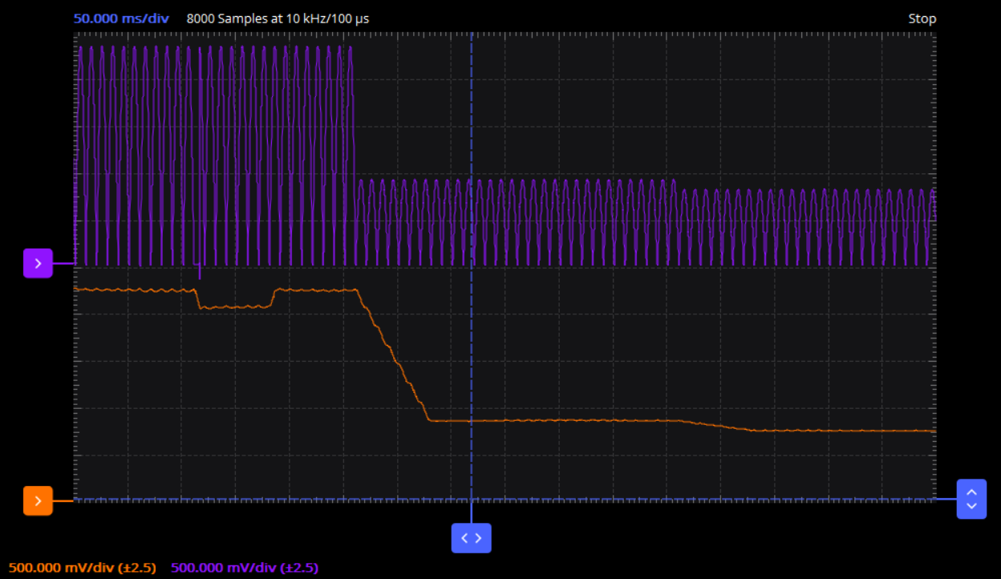
// This function is tied to a timer interrupt
// This function obtains the RMS value of the AC
void TMR1Handler(void)
{
dc99=dc98;
dc98=dc97;
dc97=dc96;
dc96=dc95;
dc95=dc94;
dc94=dc93;
dc93=dc92;
dc92=dc91;
dc91=dc90;
dc90=dc89;
dc89=dc88;
dc88=dc87;
dc87=dc86;
dc86=dc85;
dc85=dc84;
dc84=dc83;
dc83=dc82;
dc82=dc81;
dc81=dc80;
dc80=dc79;
dc79=dc78;
dc78=dc77;
dc77=dc76;
dc76=dc75;
dc75=dc74;
dc74=dc73;
dc73=dc72;
dc72=dc71;
dc71=dc70;
dc70=dc69;
dc69=dc68;
dc68=dc67;
dc67=dc66;
dc66=dc65;
dc65=dc64;
dc64=dc63;
dc63=dc62;
dc62=dc61;
dc61=dc60;
dc60=dc59;
dc59=dc58;
dc58=dc57;
dc57=dc56;
dc56=dc55;
dc55=dc54;
dc54=dc53;
dc53=dc52;
dc52=dc51;
dc51=dc50;
dc50=dc49;
dc49=dc48;
dc48=dc47;
dc47=dc46;
dc46=dc45;
dc45=dc44;
dc44=dc43;
dc43=dc42;
dc42=dc41;
dc41=dc40;
dc40=dc39;
dc39=dc38;
dc38=dc37;
dc37=dc36;
dc36=dc35;
dc35=dc34;
dc34=dc33;
dc33=dc32;
dc32=dc31;
dc31=dc30;
dc30=dc29;
dc29=dc28;
dc28=dc27;
dc27=dc26;
dc26=dc25;
dc25=dc24;
dc24=dc23;
dc23=dc22;
dc22=dc21;
dc21=dc20;
dc20=dc19;
dc19=dc18;
dc18=dc17;
dc17=dc16;
dc16=dc15;
dc15=dc14;
dc14=dc13;
dc13=dc12;
dc12=dc11;
dc11=dc10;
dc10=dc09;
dc09=dc08;
dc08=dc07;
dc07=dc06;
dc06=dc05;
dc05=dc04;
dc04=dc03;
dc03=dc02;
dc02=dc01;
dc01=dc00;
dc00=ADCBUF11;
dc=0;
dc = dc + dc00/64;
dc = dc + dc01/64;
dc = dc + dc02/64;
dc = dc + dc03/64;
dc = dc + dc04/64;
dc = dc + dc05/64;
dc = dc + dc06/64;
dc = dc + dc07/64;
dc = dc + dc08/64;
dc = dc + dc09/64;
dc = dc + dc10/64;
dc = dc + dc11/64;
dc = dc + dc12/64;
dc = dc + dc13/64;
dc = dc + dc14/64;
dc = dc + dc15/64;
dc = dc + dc16/64;
dc = dc + dc17/64;
dc = dc + dc18/64;
dc = dc + dc19/64;
dc = dc + dc20/64;
dc = dc + dc21/64;
dc = dc + dc22/64;
dc = dc + dc23/64;
dc = dc + dc24/64;
dc = dc + dc25/64;
dc = dc + dc26/64;
dc = dc + dc27/64;
dc = dc + dc28/64;
dc = dc + dc29/64;
dc = dc + dc30/64;
dc = dc + dc31/64;
dc = dc + dc32/64;
dc = dc + dc33/64;
dc = dc + dc34/64;
dc = dc + dc35/64;
dc = dc + dc36/64;
dc = dc + dc37/64;
dc = dc + dc38/64;
dc = dc + dc39/64;
dc = dc + dc40/64;
dc = dc + dc41/64;
dc = dc + dc42/64;
dc = dc + dc43/64;
dc = dc + dc44/64;
dc = dc + dc45/64;
dc = dc + dc46/64;
dc = dc + dc47/64;
dc = dc + dc48/64;
dc = dc + dc49/64;
dc = dc + dc50/64;
dc = dc + dc51/64;
dc = dc + dc52/64;
dc = dc + dc53/64;
dc = dc + dc54/64;
dc = dc + dc55/64;
dc = dc + dc56/64;
dc = dc + dc57/64;
dc = dc + dc58/64;
dc = dc + dc59/64;
dc = dc + dc60/64;
dc = dc + dc61/64;
dc = dc + dc62/64;
dc = dc + dc63/64;
dc = dc + dc64/64;
dc = dc + dc65/64;
dc = dc + dc66/64;
dc = dc + dc67/64;
dc = dc + dc68/64;
dc = dc + dc69/64;
dc = dc + dc70/64;
dc = dc + dc71/64;
dc = dc + dc72/64;
dc = dc + dc73/64;
dc = dc + dc74/64;
dc = dc + dc75/64;
dc = dc + dc76/64;
dc = dc + dc77/64;
dc = dc + dc78/64;
dc = dc + dc79/64;
dc = dc + dc80/64;
dc = dc + dc81/64;
dc = dc + dc82/64;
dc = dc + dc83/64;
dc = dc + dc84/64;
dc = dc + dc85/64;
dc = dc + dc86/64;
dc = dc + dc87/64;
dc = dc + dc88/64;
dc = dc + dc89/64;
dc = dc + dc90/64;
dc = dc + dc91/64;
dc = dc + dc92/64;
dc = dc + dc93/64;
dc = dc + dc94/64;
dc = dc + dc95/64;
dc = dc + dc96/64;
dc = dc + dc97/64;
dc = dc + dc98/64;
dc = dc + dc99/64;
RMS = dc;
}
INPUT
230Vrms
90Vrms
80Vrms

RMS

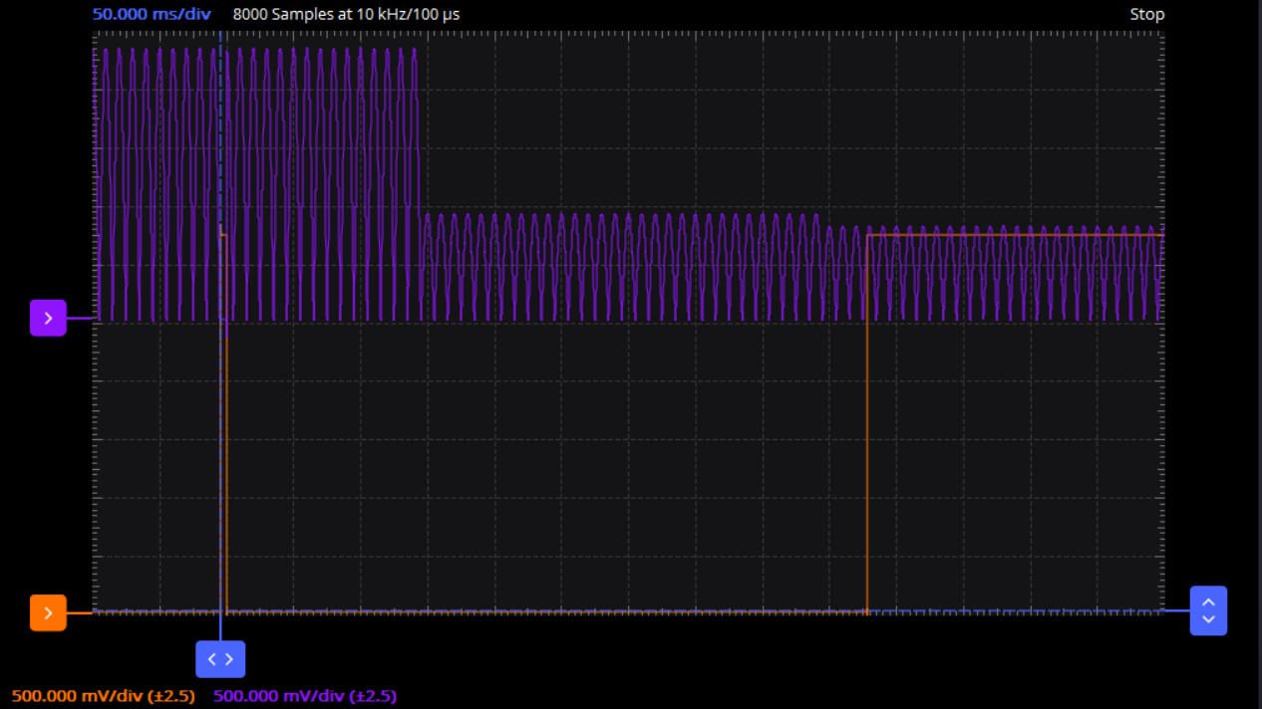
FAST + RMS DETECTOR | FAST + RMS DETECTOR

230Vrms

90Vrms
80Vrms

AC Loss

